analysis
Data Analysis of Home Prices in Cali 1990

Data Definitions |  |  |  |  |  |  |  | Relationships with income

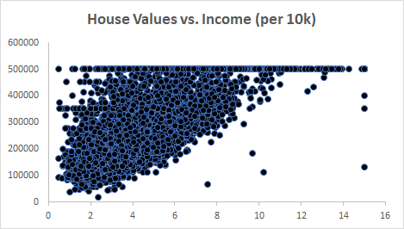
Housing Median Age : Median house value for households within a block (measured in US Dollars)
Total Rooms : Total number of rooms within a block
Total Bedrooms : Total number of bedrooms within a block
Population : Total number of people residing within a block
HouseHolds : Total number of households, a group of people residing within a home unit, for a block
Median Income : Median income for households within a block of houses (measured in tens of thousands of US Dollars)
Median House Value : Median house value for households within a block (measured in US Dollars)
Ocean Proximity : Location of the house w.r.t ocean/sea

Single Summary of Statistics Value

 | Median Age | Total Rooms | Total Bedrooms | Population | HouseHolds | Median Income | Median House Value
Mean | 28.64 | 2635.76 | 537.87 | 1425.48 | 499.54 | 3.87 | 206855.82
Standard Dev | 12.59 | 2181.56 | 421.37 | 1132.43 | 382.32 | 1.90 | 115392.82
Min | 1.00 | 2.00 | 1.00 | 3.00 | 1.00 | 0.50 | 14999.00
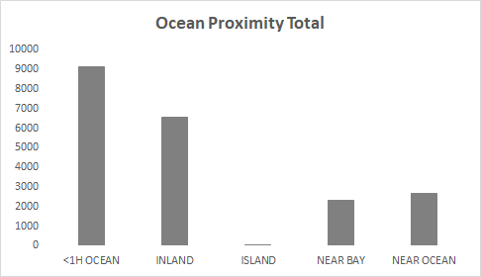
Max | 52.00 | 39320.00 | 6445.00 | 35682.00 | 6082.00 | 15.00 | 500001.00

Variable Dependence Correlation

 | Median Age | Total Rooms | Total Bedrooms | Population | HouseHolds | Median Income | Median House Value
Median Age | 1.00 | -0.36 | -0.32 | -0.30 | -0.30 | -0.12 | 0.11
Total Rooms | -0.36 | 1.00 | 0.93 | 0.86 | 0.92 | 0.20 | 0.13
Total Bedrooms | -0.32 | 0.93 | 1.00 | 0.88 | 0.98 | -0.01 | 0.05
Population | -0.30 | 0.86 | 0.88 | 1.00 | 0.91 | 0.00 | -0.02
HouseHolds | -0.30 | 0.92 | 0.98 | 0.91 | 1.00 | 0.01 | 0.07
Median Income | -0.12 | 0.20 | -0.01 | 0.00 | 0.01 | 1.00 | 0.69
Median House Value | 0.11 | 0.13 | 0.05 | -0.02 | 0.07 | 0.69 | 1.00

Discussion :

* Rooms,Bedrooms,households are strongly correlated (which is obvious).
* The older houses tend to have fewer rooms.
* As people in an area earn more money, the houses in the area tend to be worth more.

